Add patient
Patient no
Doctor name --> | Patient Name
Emergency Conatct no
Refered by
Title | Dropdown
heath details
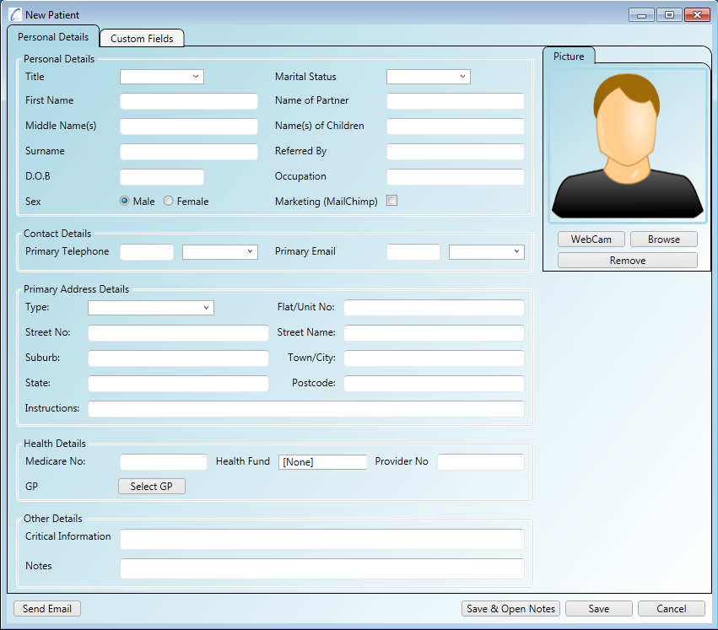
other Details

